Seasonal Quit Tobacco Calendar
Click the spinner to
change the calendar year
January |  |  |  |  |  |  |  |  |  |  | 2019
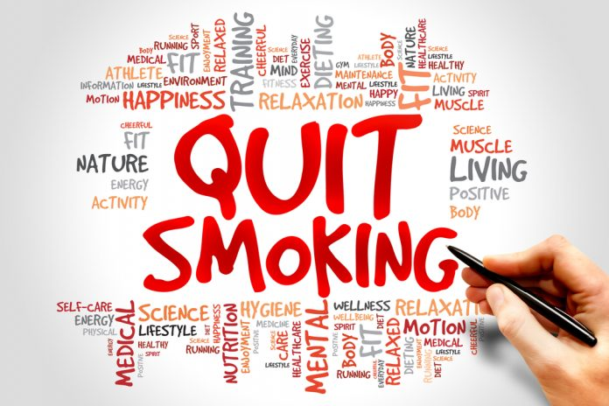
New Year, New You? For this year's resolution, start your Quit Plan!
I, _______________, plan to quit smoking by ______________.
I want to quit smoking because _____________________.
My triggers include _________________________________________________. I will help fight my cravings by ______________________________________. For counseling, call
1-800-QUIT-NOW
Personalize this calendar!
Right-click any picture and then click Change Picture to swap it with your own.

 | MONDAY |  | TUESDAY |  | WEDNESDAY |  | THURSDAY |  | FRIDAY |  | SATURDAY |  | SUNDAY
 |  | 2018-12-31 |  | 2019-01-01 |  | 2019-01-02 |  | 2019-01-03 |  | 2019-01-04 |  | 2019-01-05 |  | 2019-01-06

 |  | 2019-01-07 |  | 2019-01-08 |  | 2019-01-09 |  | 2019-01-10 |  | 2019-01-11 |  | 2019-01-12 |  | 2019-01-13
 |  |  |  |  | Sample Appointment

 |  | 2019-01-14 |  | 2019-01-15 |  | 2019-01-16 |  | 2019-01-17 |  | 2019-01-18 |  | 2019-01-19 |  | 2019-01-20

 |  | 2019-01-21 |  | 2019-01-22 |  | 2019-01-23 |  | 2019-01-24 |  | 2019-01-25 |  | 2019-01-26 |  | 2019-01-27

 |  | 2019-01-28 |  | 2019-01-29 |  | 2019-01-30 |  | 2019-01-31 |  | 2019-02-01 |  | 2019-02-02 |  | 2019-02-03

February |  |  |  |  |  |  |  |  |  |  | 2019
Your Heart and
Your Health
Did you know that smoking is a major cause of cardiovascular disease? CVD is the leading cause of death in the United States with 1 in 5 of these deaths attributed to smoking. What are some heart healthy things that you can do this month?
____________________________________________________________________________________________________________________________________


 | MONDAY |  | TUESDAY |  | WEDNESDAY |  | THURSDAY |  | FRIDAY |  | SATURDAY |  | SUNDAY
 |  | 2019-01-28 |  | 2019-01-29 |  | 2019-01-30 |  | 2019-01-31 |  | 2019-02-01 |  | 2019-02-02 |  | 2019-02-03

 |  | 2019-02-04 |  | 2019-02-05 |  | 2019-02-06 |  | 2019-02-07 |  | 2019-02-08 |  | 2019-02-09 |  | 2019-02-10
 |  |  |  |  | Sample Appointment

 |  | 2019-02-11 |  | 2019-02-12 |  | 2019-02-13 |  | 2019-02-14 |  | 2019-02-15 |  | 2019-02-16 |  | 2019-02-17

 |  | 2019-02-18 |  | 2019-02-19 |  | 2019-02-20 |  | 2019-02-21 |  | 2019-02-22 |  | 2019-02-23 |  | 2019-02-24

 |  | 2019-02-25 |  | 2019-02-26 |  | 2019-02-27 |  | 2019-02-28 |  | 2019-03-01 |  | 2019-03-02 |  | 2019-03-03

March |  |  |  |  |  |  |  |  |  |  | 2019
Autoimmune Diseases Awareness Month
March is Autoimmune Diseases Awarenes month! Studies have shown that smoking can increase a person's risk of developing autoimmune disorders like Crohn's disease, Lupus, and Rheumatoid Arthritis. Smoking can also reduce the efficacy of treatments for these conditions.


 | MONDAY |  | TUESDAY |  | WEDNESDAY |  | THURSDAY |  | FRIDAY |  | SATURDAY |  | SUNDAY
 |  | 2019-02-25 |  | 2019-02-26 |  | 2019-02-27 |  | 2019-02-28 |  | 2019-03-01 |  | 2019-03-02 |  | 2019-03-03

 |  | 2019-03-04 |  | 2019-03-05 |  | 2019-03-06 |  | 2019-03-07 |  | 2019-03-08 |  | 2019-03-09 |  | 2019-03-10
 |  |  |  |  | Sample Appointment

 |  | 2019-03-11 |  | 2019-03-12 |  | 2019-03-13 |  | 2019-03-14 |  | 2019-03-15 |  | 2019-03-16 |  | 2019-03-17

 |  | 2019-03-18 |  | 2019-03-19 |  | 2019-03-20 |  | 2019-03-21 |  | 2019-03-22 |  | 2019-03-23 |  | 2019-03-24

 |  | 2019-03-25 |  | 2019-03-26 |  | 2019-03-27 |  | 2019-03-28 |  | 2019-03-29 |  | 2019-03-30 |  | 2019-03-31

April |  |  |  |  |  |  |  |  |  |  | 2019
April Showers... Relapses can occur at any time during the quitting process. The important thing is to not let this get in the way of your success! Ask yourself, why did you relapse? Stress is a common reason for relapse. By finding ways to manage stress, we can reduce the number of relapses we experience.


 | MONDAY |  | TUESDAY |  | WEDNESDAY |  | THURSDAY |  | FRIDAY |  | SATURDAY |  | SUNDAY
 |  | 2019-04-01 |  | 2019-04-02 |  | 2019-04-03 |  | 2019-04-04 |  | 2019-04-05 |  | 2019-04-06 |  | 2019-04-07

 |  | 2019-04-08 |  | 2019-04-09 |  | 2019-04-10 |  | 2019-04-11 |  | 2019-04-12 |  | 2019-04-13 |  | 2019-04-14
 |  |  |  |  | Sample Appointment

 |  | 2019-04-15 |  | 2019-04-16 |  | 2019-04-17 |  | 2019-04-18 |  | 2019-04-19 |  | 2019-04-20 |  | 2019-04-21

 |  | 2019-04-22 |  | 2019-04-23 |  | 2019-04-24 |  | 2019-04-25 |  | 2019-04-26 |  | 2019-04-27 |  | 2019-04-28

 |  | 2019-04-29 |  | 2019-04-30 |  | 2019-05-01 |  | 2019-05-02 |  | 2019-05-03 |  | 2019-05-04 |  | 2019-05-05

May |  |  |  |  |  |  |  |  |  |  | 2019

Bring May Flowers!
Within one day of not smoking, your blood pressure begins to drop to normal levels. After one month of quitting, lung function and circulation begin to improve. At the one year mark, a person's risk for coronary heart disease descreases by half. After 20 years, the risk of death from smoking-related illnesses is about the same as a non-smoker's risk.

 | MONDAY |  | TUESDAY |  | WEDNESDAY |  | THURSDAY |  | FRIDAY |  | SATURDAY |  | SUNDAY
 |  | 2019-04-29 |  | 2019-04-30 |  | 2019-05-01 |  | 2019-05-02 |  | 2019-05-03 |  | 2019-05-04 |  | 2019-05-05

 |  | 2019-05-06 |  | 2019-05-07 |  | 2019-05-08 |  | 2019-05-09 |  | 2019-05-10 |  | 2019-05-11 |  | 2019-05-12
 |  |  |  |  | Sample Appointment

 |  | 2019-05-13 |  | 2019-05-14 |  | 2019-05-15 |  | 2019-05-16 |  | 2019-05-17 |  | 2019-05-18 |  | 2019-05-19

 |  | 2019-05-20 |  | 2019-05-21 |  | 2019-05-22 |  | 2019-05-23 |  | 2019-05-24 |  | 2019-05-25 |  | 2019-05-26

 |  | 2019-05-27 |  | 2019-05-28 |  | 2019-05-29 |  | 2019-05-30 |  | 2019-05-31 |  | 2019-06-01 |  | 2019-06-02

June |  |  |  |  |  |  |  |  |  |  | 2019
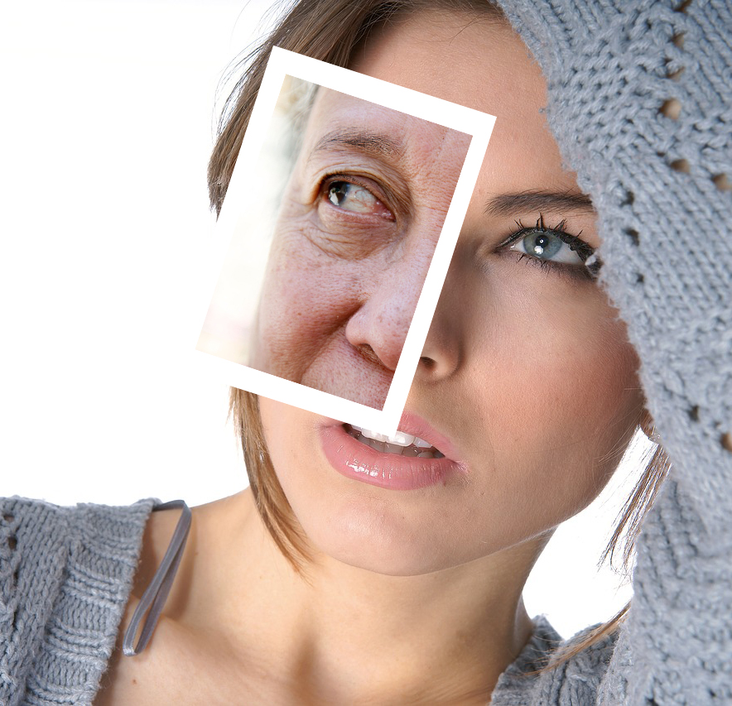
Summer Skin
We know that UV rays are harmful for our skin, but did you know that smoking is too? The nicotine found in cigarettes constricts blood vessels in the outermost layers of the skin. Without proper circulation, your skin doesn't receive the nutrients it needs, which can lead to premature aging.

 | MONDAY |  | TUESDAY |  | WEDNESDAY |  | THURSDAY |  | FRIDAY |  | SATURDAY |  | SUNDAY
 |  | 2019-05-27 |  | 2019-05-28 |  | 2019-05-29 |  | 2019-05-30 |  | 2019-05-31 |  | 2019-06-01 |  | 2019-06-02

 |  | 2019-06-03 |  | 2019-06-04 |  | 2019-06-05 |  | 2019-06-06 |  | 2019-06-07 |  | 2019-06-08 |  | 2019-06-09
 |  |  |  |  | Sample Appointment

 |  | 2019-06-10 |  | 2019-06-11 |  | 2019-06-12 |  | 2019-06-13 |  | 2019-06-14 |  | 2019-06-15 |  | 2019-06-16

 |  | 2019-06-17 |  | 2019-06-18 |  | 2019-06-19 |  | 2019-06-20 |  | 2019-06-21 |  | 2019-06-22 |  | 2019-06-23

 |  | 2019-06-24 |  | 2019-06-25 |  | 2019-06-26 |  | 2019-06-27 |  | 2019-06-28 |  | 2019-06-29 |  | 2019-06-30

July |  |  |  |  |  |  |  |  |  |  | 2019

Independence
As we celebrate Independence Day, celebrate your independence from addiction! Even if you have suffered setbacks, it is important to understand that you are the one making these changes! Keep going strong!

 | MONDAY |  | TUESDAY |  | WEDNESDAY |  | THURSDAY |  | FRIDAY |  | SATURDAY |  | SUNDAY
 |  | 2019-07-01 |  | 2019-07-02 |  | 2019-07-03 |  | 2019-07-04 |  | 2019-07-05 |  | 2019-07-06 |  | 2019-07-07

 |  | 2019-07-08 |  | 2019-07-09 |  | 2019-07-10 |  | 2019-07-11 |  | 2019-07-12 |  | 2019-07-13 |  | 2019-07-14
 |  |  |  |  | Sample Appointment

 |  | 2019-07-15 |  | 2019-07-16 |  | 2019-07-17 |  | 2019-07-18 |  | 2019-07-19 |  | 2019-07-20 |  | 2019-07-21

 |  | 2019-07-22 |  | 2019-07-23 |  | 2019-07-24 |  | 2019-07-25 |  | 2019-07-26 |  | 2019-07-27 |  | 2019-07-28

 |  | 2019-07-29 |  | 2019-07-30 |  | 2019-07-31 |  | 2019-08-01 |  | 2019-08-02 |  | 2019-08-03 |  | 2019-08-04

August |  |  |  |  |  |  |  |  |  |  | 2019
Cooling Costs
With temperatures rising, so do our electric bills! The cost of smoking is high, too. In addition to diminished health, smoking causes increased absenteeism from work and increased healthcare costs. So keep those Air Conditioners on because you have saved money from quitting!
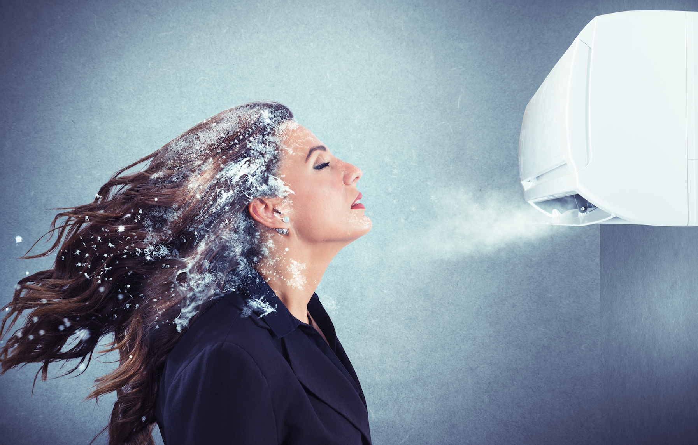

 | MONDAY |  | TUESDAY |  | WEDNESDAY |  | THURSDAY |  | FRIDAY |  | SATURDAY |  | SUNDAY
 |  | 2019-07-29 |  | 2019-07-30 |  | 2019-07-31 |  | 2019-08-01 |  | 2019-08-02 |  | 2019-08-03 |  | 2019-08-04

 |  | 2019-08-05 |  | 2019-08-06 |  | 2019-08-07 |  | 2019-08-08 |  | 2019-08-09 |  | 2019-08-10 |  | 2019-08-11
 |  |  |  |  | Sample Appointment

 |  | 2019-08-12 |  | 2019-08-13 |  | 2019-08-14 |  | 2019-08-15 |  | 2019-08-16 |  | 2019-08-17 |  | 2019-08-18

 |  | 2019-08-19 |  | 2019-08-20 |  | 2019-08-21 |  | 2019-08-22 |  | 2019-08-23 |  | 2019-08-24 |  | 2019-08-25

 |  | 2019-08-26 |  | 2019-08-27 |  | 2019-08-28 |  | 2019-08-29 |  | 2019-08-30 |  | 2019-08-31 |  | 2019-09-01

September |  |  |  |  |  |  |  |  |  |  | 2019
Back to School
In 2017, about 3.6 million middle and high school students reported using tobacco products. Additionally, studies show that teenagers who use e-cigarettes are more likely to transition to cigarettes than their peers who do not use e-cigarettes.


 | MONDAY |  | TUESDAY |  | WEDNESDAY |  | THURSDAY |  | FRIDAY |  | SATURDAY |  | SUNDAY
 |  | 2019-08-26 |  | 2019-08-27 |  | 2019-08-28 |  | 2019-08-29 |  | 2019-08-30 |  | 2019-08-31 |  | 2019-09-01

 |  | 2019-09-02 |  | 2019-09-03 |  | 2019-09-04 |  | 2019-09-05 |  | 2019-09-06 |  | 2019-09-07 |  | 2019-09-08
 |  |  |  |  | Sample Appointment

 |  | 2019-09-09 |  | 2019-09-10 |  | 2019-09-11 |  | 2019-09-12 |  | 2019-09-13 |  | 2019-09-14 |  | 2019-09-15

 |  | 2019-09-16 |  | 2019-09-17 |  | 2019-09-18 |  | 2019-09-19 |  | 2019-09-20 |  | 2019-09-21 |  | 2019-09-22

 |  | 2019-09-23 |  | 2019-09-24 |  | 2019-09-25 |  | 2019-09-26 |  | 2019-09-27 |  | 2019-09-28 |  | 2019-09-29

 |  | 2019-09-30 |  | 2019-10-01 |  | 2019-10-02 |  | 2019-10-03 |  | 2019-10-04 |  | 2019-10-05 |  | 2019-10-06

October |  |  |  |  |  |  |  |  |  |  | 2019

Mental Health
October 10th is World Mental Health Day. What are some ways for you to reduce the stress in your life without using tobacco products?
__________________________________________________________________________________________________________________________________________________________________________________________________________________________________________________________________________________________________________________________________________

 | MONDAY |  | TUESDAY |  | WEDNESDAY |  | THURSDAY |  | FRIDAY |  | SATURDAY |  | SUNDAY
 |  | 2019-09-30 |  | 2019-10-01 |  | 2019-10-02 |  | 2019-10-03 |  | 2019-10-04 |  | 2019-10-05 |  | 2019-10-06

 |  | 2019-10-07 |  | 2019-10-08 |  | 2019-10-09 |  | 2019-10-10 |  | 2019-10-11 |  | 2019-10-12 |  | 2019-10-13
 |  |  |  |  | Sample Appointment

 |  | 2019-10-14 |  | 2019-10-15 |  | 2019-10-16 |  | 2019-10-17 |  | 2019-10-18 |  | 2019-10-19 |  | 2019-10-20

 |  | 2019-10-21 |  | 2019-10-22 |  | 2019-10-23 |  | 2019-10-24 |  | 2019-10-25 |  | 2019-10-26 |  | 2019-10-27

 |  | 2019-10-28 |  | 2019-10-29 |  | 2019-10-30 |  | 2019-10-31 |  | 2019-11-01 |  | 2019-11-02 |  | 2019-11-03

November |  |  |  |  |  |  |  |  |  |  | 2019

Facing Triggers
Triggers are a part of quitting. In January, you identified some triggers. Here are some ways to deal with triggers.
- Go to places that are smoke free.
- Keep your hands busy
- Change up your routines
- Practice Mindfullness
Now add your own!
_____________________________________________________________________________________________________________________________________________________________________

 | MONDAY |  | TUESDAY |  | WEDNESDAY |  | THURSDAY |  | FRIDAY |  | SATURDAY |  | SUNDAY
 |  | 2019-10-28 |  | 2019-10-29 |  | 2019-10-30 |  | 2019-10-31 |  | 2019-11-01 |  | 2019-11-02 |  | 2019-11-03

 |  | 2019-11-04 |  | 2019-11-05 |  | 2019-11-06 |  | 2019-11-07 |  | 2019-11-08 |  | 2019-11-09 |  | 2019-11-10
 |  |  |  |  | Sample Appointment

 |  | 2019-11-11 |  | 2019-11-12 |  | 2019-11-13 |  | 2019-11-14 |  | 2019-11-15 |  | 2019-11-16 |  | 2019-11-17

 |  | 2019-11-18 |  | 2019-11-19 |  | 2019-11-20 |  | 2019-11-21 |  | 2019-11-22 |  | 2019-11-23 |  | 2019-11-24

 |  | 2019-11-25 |  | 2019-11-26 |  | 2019-11-27 |  | 2019-11-28 |  | 2019-11-29 |  | 2019-11-30 |  | 2019-12-01

December |  |  |  |  |  |  |  |  |  |  | 2019
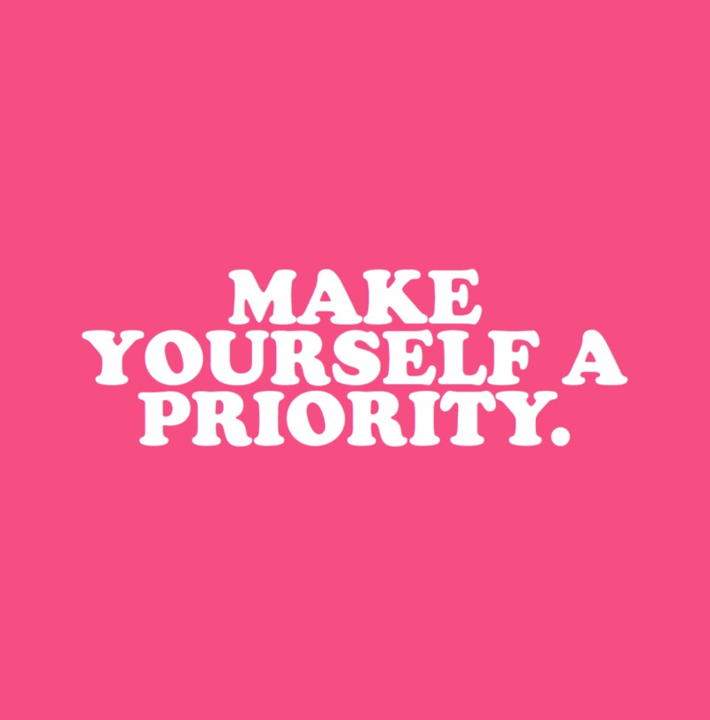
Gift-Giving!
During this holiday season, treat yourself! While giving gifts to others can be fun and rewarding, it is important to take time to appreciate yourself and all of your hard work! Write a list of gifts or activities that are meant for you.
______________________________________________________________________________________________________________________________________________________________________________________________________

 | MONDAY |  | TUESDAY |  | WEDNESDAY |  | THURSDAY |  | FRIDAY |  | SATURDAY |  | SUNDAY
 |  | 2019-11-25 |  | 2019-11-26 |  | 2019-11-27 |  | 2019-11-28 |  | 2019-11-29 |  | 2019-11-30 |  | 2019-12-01

 |  | 2019-12-02 |  | 2019-12-03 |  | 2019-12-04 |  | 2019-12-05 |  | 2019-12-06 |  | 2019-12-07 |  | 2019-12-08
 |  |  |  |  | Sample Appointment

 |  | 2019-12-09 |  | 2019-12-10 |  | 2019-12-11 |  | 2019-12-12 |  | 2019-12-13 |  | 2019-12-14 |  | 2019-12-15

 |  | 2019-12-16 |  | 2019-12-17 |  | 2019-12-18 |  | 2019-12-19 |  | 2019-12-20 |  | 2019-12-21 |  | 2019-12-22

 |  | 2019-12-23 |  | 2019-12-24 |  | 2019-12-25 |  | 2019-12-26 |  | 2019-12-27 |  | 2019-12-28 |  | 2019-12-29

 |  | 2019-12-30 |  | 2019-12-31 |  | 2020-01-01 |  | 2020-01-02 |  | 2020-01-03 |  | 2020-01-04 |  | 2020-01-05

